Sheet1
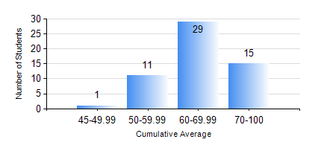
 |  |  | KWAME NKRUMAH UNIVERSITY OF SCIENCE AND TECHNOLOGY, KUMASI Department of Chemical Engineering

 |  |  | BSC. PETROCHEMICAL ENG.

 |  |  | COMPREHENSIVE RECORD OF EXAMINATION RESULTS

 |  |  | RESULTS OF YEAR 4 SECOND SEMESTER, 2020/2021 ACADEMIC YEAR

 | Sn | Course Code |  | Course Name | Credit Hours | Min. Mark | Max. Mark | Avg. Mark | Std. Dev. | No. Passed | No. Trailed | No. (Df) | No. (I) | No. (I*) | No. Tagged(I,I*,Df) | Total
 | 1. | CHE 456 |  | PROCESS CONTROL AND SIMULATION | 3 | 25 | 80 | 56 | 10.8 | 54 | 2 | 0 | 0 | 0 | 0 | 56
 | 2. | CHE 458 |  | ENTREPRENEURSHIP AND BUSINESS DEVELOPMENT | 3 | 55 | 92 | 82 | 8.2 | 56 | 0 | 0 | 0 | 0 | 0 | 56
 | 3. | CHE 464 |  | ADSORPTION SEPARATION PROCESS TECHNOLOGY | 2 | 51 | 95 | 79 | 14.37 | 32 | 0 | 0 | 0 | 0 | 0 | 32
 | 4. | MSE 356 |  | ENGINEERING PROPERTIES OF POLYMERS | 2 | 48 | 86 | 68 | 7.7 | 24 | 0 | 0 | 0 | 0 | 0 | 24
 | 5. | PCE 450 |  | PETROLEUM REFINING ENGINEERING | 2 | 50 | 88 | 69 | 9.57 | 56 | 0 | 0 | 0 | 0 | 0 | 56
 | 6. | PCE 452 |  | FIELD TRIP AND INDUSTRIAL ATTACHMENT | 2 | 61 | 86 | 73 | 5.27 | 56 | 0 | 0 | 0 | 0 | 0 | 56
 | 7. | PCE 454 |  | PROJECT II | 5 | 54 | 86 | 72 | 8.33 | 56 | 0 | 0 | 0 | 0 | 0 | 56

